Data
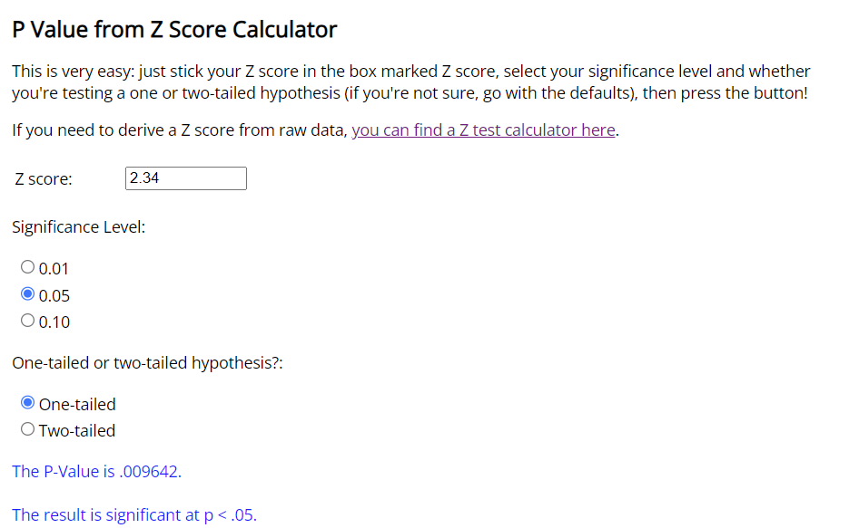
Test for two means. Independent samples, population variance known
New Cleaning Detergent

Background: Ajax releases a new dish detergent, called Extreme Ajax+, which they advertise to be able to clean many more dishes with a single bottle.
You want to see if that is true and have bought 25 bottles of Extreme Ajax+ and 25 bottles of Ajax and collected data on how many dirty dishes you can wash with a single bottle. (Population variance is assumed to be known.)

Task 1 | Find the standard deviations of the two samples
Task 2 | State the Null Hypothesis
Task 3 | Determine the Z-score
Task 4 | Find the p-value
Task 5 | Interpret the result

 | Extreme Ajax+ | Ajax | Difference
Size | 25 | 25 | ?
Mean | 115 | 100 | 15
Variance | 625 | 400 | 6.40

Standard deviation | 25 | 20 | 148.41 | << Task 1: Standard deviation of the two samples (square root of the variance)
Hypothesized diff. | 0 |  |  | Task 2: The Null Hypothesis is: there is no difference between Extreme Ajax+ and Ajax i.e. Extreme Ajax+ - Ajax <= 0
Z-score | 2.34 |  |  | The alternative hypothesis is that there is a difference between Extreme Ajax+ and Ajax i.e. Extreme Ajax+ - Ajax > 0
p-value | 0.009642 |  |  | Task 3: Determine Z-score
 |  |  |  | Task 4: Use online p-value calculator

Online p-value calculator
https://www.socscistatistics.com/pvalues/

Task 5: Intepret the result
We reject the null hypothesis since the p value is less than signficance level
Therefore, we say that Extreme Ajax+ lasts longer than Ajax

